n=4064
n=4064, complete data in waist and dietary records, but not BMI.

PF_TOTAL_LEG is total protein intake.
May not be as relevant.
PF_LEGUMES is the sum of legumes, so this is probably related to Div Gorup.
 | BMXWAIST | RIAGENDR | RIDAGEYR | FIBE | PF_TOTAL_LEG | PF_LEGUMES | KCAL
BMXWAIST | 1.00
RIAGENDR | -0.08 | 1.00
RIDAGEYR | 0.22 | -0.03 | 1.00
FIBE | -0.04 | -0.16 | 0.03 | 1.00
PF_TOTAL_LEG | 0.04 | -0.26 | -0.04 | 0.36 | 1.00
PF_LEGUMES | 0.02 | -0.06 | 0.00 | 0.52 | 0.30 | 1.00
KCAL | 0.04 | -0.35 | -0.13 | 0.52 | 0.53 | 0.16 | 1.00

 | BMXWAIST | RIAGENDR | RIDAGEYR | FIBE | PF_TOTAL_LEG | PF_LEGUMES | KCAL
BMXWAIST | NA
RIAGENDR | 7.90E-07 | NA
RIDAGEYR | 0 | 0.10364287516 | NA
FIBE | 0.0078958540034 | 0 | 0.071894132564 | NA
PF_TOTAL_LEG | 0.013759643463 | 0 | 0.0044851911693 | 0 | NA
PF_LEGUMES | 0.28199298241 | 5.09E-05 | 0.84499234374 | 0 | 0 | NA
KCAL | 0.017178587929 | 0 | 0 | 0 | 0 | 0 | NA

in the order of p-values
BMXWAIST | RIDAGEYR | RIAGENDR | FIBE | PF_TOTAL_LEG | KCAL
 | 0 | 7.90E-07 | 0.0078958540034 | 0.013759643463 | 0.017178587929

KCAL | RIAGENDR | RIDAGEYR | FIBE | PF_TOTAL_LEG | PF_LEGUMES | BMXWAIST
 | 0 | 0 | 0 | 0 | 0 | 0.017178587929

Correlation without PF_TOTAL_LEG.

 | BMXWAIST | RIAGENDR | RIDAGEYR | FIBE | PF_LEGUMES | KCAL
BMXWAIST | 1.00 | -0.08 | 0.22 | -0.04 | 0.02 | 0.04
RIAGENDR | -0.08 | 1.00 | -0.03 | -0.16 | -0.06 | -0.35
RIDAGEYR | 0.22 | -0.03 | 1.00 | 0.03 | 0.00 | -0.13
FIBE | -0.04 | -0.16 | 0.03 | 1.00 | 0.52 | 0.52
PF_LEGUMES | 0.02 | -0.06 | 0.00 | 0.52 | 1.00 | 0.16
KCAL | 0.04 | -0.35 | -0.13 | 0.52 | 0.16 | 1.00

 | BMXWAIST | RIAGENDR | RIDAGEYR | FIBE | PF_LEGUMES | KCAL
BMXWAIST | NA | 7.90E-07 | 0 | 0.0078958540034 | 0.28199298241 | 0.017178587929
RIAGENDR | 7.90E-07 | NA | 0.10364287516 | 0 | 5.09E-05 | 0
RIDAGEYR | 0 | 0.10364287516 | NA | 0.071894132564 | 0.84499234374 | 0
FIBE | 0.0078958540034 | 0 | 0.071894132564 | NA | 0 | 0
PF_LEGUMES | 0.28199298241 | 5.09E-05 | 0.84499234374 | 0 | NA | 0
KCAL | 0.017178587929 | 0 | 0 | 0 | 0 | NA
PF_LEGUMES is not correlated with WAIST, so could be omitted.
KCAL is marginally correlated with WAIST, and is correlated with FIBE, so could be omitted as well, as long as I have FIBE in my model.
My model could be:
WAIST ~ DivGoup + Age + Gender + Fiber, as simple as that!
--> Ran ANCOVA. FIBE was not siginificant but KCAL was. Interesting.. So, I will keep KCAL in the model. And the model now is:
WAIST ~ DivGoup + Age + Gender + KCAL.
But either with KCAL or FIBE in it, the emmeans are not that different, but still the difference DivNA and Div2 is different. (6.2 vs. 5.3 cm). I think the difference is because of adjustment by KCAL.

Correlation for KCAL.

 | KCAL | RIAGENDR | RIDAGEYR | FIBE | PF_LEGUMES
KCAL | 1.00 | -0.35 | -0.13 | 0.52 | 0.16
RIAGENDR | -0.35 | 1.00 | -0.03 | -0.16 | -0.06
RIDAGEYR | -0.13 | -0.03 | 1.00 | 0.03 | 0.00
FIBE | 0.52 | -0.16 | 0.03 | 1.00 | 0.52
PF_LEGUMES | 0.16 | -0.06 | 0.00 | 0.52 | 1.00

 | KCAL | RIAGENDR | RIDAGEYR | FIBE | PF_LEGUMES
KCAL | NA | 0 | 0 | 0 | 0
RIAGENDR | 0 | NA | 0.10364287516 | 0 | 5.09E-05
RIDAGEYR | 0 | 0.10364287516 | NA | 0.071894132564 | 0.84499234374
FIBE | 0 | 0 | 0.071894132564 | NA | 0
PF_LEGUMES | 0 | 5.09E-05 | 0.84499234374 | 0 | NA
Everything is correlated with KCAL.
the order of |R|: FIBE, Gender, PF_LEGUMES, Age.
Fiber and KCAL are positively correlated?? Really?? --> checked in scatterplot --> Datapoints are in the upper triangle, meaning that those who consume a lot of FIBE are eating a lot of food (calories).
FIBE and PF_LEGUMES are correlated (R=0.52). So I could omit either of them. FIBE may be better to retain, because it has a higher R with KCAL than PF_LEGUMES has.
So, my model would be:
KCAL = DivGroup + Age + Gender + FIBE.
Ran ANCOVA --> All terms are significant.

Correlation for BMI.

 | BMXBMI | RIAGENDR | RIDAGEYR | KCAL | FIBE | PF_LEGUMES | BMXWAIST
BMXBMI | 1.00 | 0.07 | 0.06 | 0.00 | -0.07 | 0.00 | 0.91
RIAGENDR | 0.07 | 1.00 | -0.03 | -0.35 | -0.16 | -0.06 | -0.08
RIDAGEYR | 0.06 | -0.03 | 1.00 | -0.13 | 0.03 | 0.00 | 0.22
KCAL | 0.00 | -0.35 | -0.13 | 1.00 | 0.52 | 0.16 | 0.04
FIBE | -0.07 | -0.16 | 0.03 | 0.52 | 1.00 | 0.52 | -0.04
PF_LEGUMES | 0.00 | -0.06 | 0.00 | 0.16 | 0.52 | 1.00 | 0.02
BMXWAIST | 0.91 | -0.08 | 0.22 | 0.04 | -0.04 | 0.02 | 1.00

8 people are missing BMI!!!!
I need to filter out those and use only those that have complete data for BMI, waist, and dietary records.
(n) | BMXBMI | RIAGENDR | RIDAGEYR | KCAL | FIBE | PF_LEGUMES | BMXWAIST
BMXBMI | 4038 | 4038 | 4038 | 4038 | 4038 | 4038 | 4038
RIAGENDR | 4038 | 4046 | 4046 | 4046 | 4046 | 4046 | 4046
RIDAGEYR | 4038 | 4046 | 4046 | 4046 | 4046 | 4046 | 4046
KCAL | 4038 | 4046 | 4046 | 4046 | 4046 | 4046 | 4046
FIBE | 4038 | 4046 | 4046 | 4046 | 4046 | 4046 | 4046
PF_LEGUMES | 4038 | 4046 | 4046 | 4046 | 4046 | 4046 | 4046
BMXWAIST | 4038 | 4046 | 4046 | 4046 | 4046 | 4046 | 4046

 | BMXBMI | RIAGENDR | RIDAGEYR | KCAL | FIBE | PF_LEGUMES | BMXWAIST
BMXBMI | NA | 8.05E-06 | 0.00025384055166 | 0.90138087889 | 2.57E-06 | 0.89348031133 | 0
RIAGENDR | 8.05E-06 | NA | 0.10364287516 | 0 | 0 | 5.09E-05 | 7.90E-07
RIDAGEYR | 0.00025384055166 | 0.10364287516 | NA | 0 | 0.071894132564 | 0.84499234374 | 0
KCAL | 0.90138087889 | 0 | 0 | NA | 0 | 0 | 0.017178587929
FIBE | 2.57E-06 | 0 | 0.071894132564 | 0 | NA | 0 | 0.0078958540034
PF_LEGUMES | 0.89348031133 | 5.09E-05 | 0.84499234374 | 0 | 0 | NA | 0.28199298241
BMXWAIST | 0 | 7.90E-07 | 0 | 0.017178587929 | 0.0078958540034 | 0.28199298241 | NA

n=4038
n=4038, Complete data in waist, BMI, and dietary records.

BMI and waist are highly correlated.
They are both response variables, so one of them should not be treated as the other's covariates...?
PF_TOTAL_LEG is total protein intake.
May not be as relevant. it is highly correlated with FIBE, R=0.36, so it should be ok to remove it.
BMI is not highly correlated with any other covariates. Hmm.
R | BMXWAIST | BMXBMI | RIAGENDR | RIDAGEYR | FIBE | PF_TOTAL_LEG | PF_LEGUMES | KCAL
BMXWAIST | 1.00 | 0.91 | -0.08 | 0.22 | -0.04 | 0.04 | 0.02 | 0.04
BMXBMI | 0.91 | 1.00 | 0.07 | 0.06 | -0.07 | 0.02 | 0.00 | 0.00
RIAGENDR | -0.08 | 0.07 | 1.00 | -0.02 | -0.16 | -0.26 | -0.06 | -0.35
RIDAGEYR | 0.22 | 0.06 | -0.02 | 1.00 | 0.03 | -0.04 | 0.00 | -0.13
FIBE | -0.04 | -0.07 | -0.16 | 0.03 | 1.00 | 0.36 | 0.52 | 0.52
PF_TOTAL_LEG | 0.04 | 0.02 | -0.26 | -0.04 | 0.36 | 1.00 | 0.30 | 0.53
PF_LEGUMES | 0.02 | 0.00 | -0.06 | 0.00 | 0.52 | 0.30 | 1.00 | 0.16
KCAL | 0.04 | 0.00 | -0.35 | -0.13 | 0.52 | 0.53 | 0.16 | 1.00

p | BMXWAIST | BMXBMI | RIAGENDR | RIDAGEYR | FIBE | PF_TOTAL_LEG | PF_LEGUMES | KCAL
BMXWAIST | NA | 0 | 7.01E-07 | 0 | 0.0078793816747 | 0.01356705848 | 0.25959290746 | 0.018892463106
BMXBMI | 0 | NA | 8.05E-06 | 0.00025384055166 | 2.57E-06 | 0.25491241686 | 0.89348031133 | 0.90138087889
RIAGENDR | 7.01E-07 | 8.05E-06 | NA | 0.12175589303 | 0 | 0 | 5.64E-05 | 0
RIDAGEYR | 0 | 0.00025384055166 | 0.12175589303 | NA | 0.066345678073 | 0.0051237847355 | 0.85093498108 | 0
FIBE | 0.0078793816747 | 2.57E-06 | 0 | 0.066345678073 | NA | 0 | 0 | 0
PF_TOTAL_LEG | 0.01356705848 | 0.25491241686 | 0 | 0.0051237847355 | 0 | NA | 0 | 0
PF_LEGUMES | 0.25959290746 | 0.89348031133 | 5.64E-05 | 0.85093498108 | 0 | 0 | NA | 0
KCAL | 0.018892463106 | 0.90138087889 | 0 | 0 | 0 | 0 | 0 | NA

Correlation without PF_TOTAL_LEG and BMI.

 | BMXWAIST | RIAGENDR | RIDAGEYR | FIBE | PF_LEGUMES | KCAL
BMXWAIST | 1.00 | -0.08 | 0.22 | -0.04 | 0.02 | 0.04
RIAGENDR | -0.08 | 1.00 | -0.02 | -0.16 | -0.06 | -0.35
RIDAGEYR | 0.22 | -0.02 | 1.00 | 0.03 | 0.00 | -0.13
FIBE | -0.04 | -0.16 | 0.03 | 1.00 | 0.52 | 0.52
PF_LEGUMES | 0.02 | -0.06 | 0.00 | 0.52 | 1.00 | 0.16
KCAL | 0.04 | -0.35 | -0.13 | 0.52 | 0.16 | 1.00

 | BMXWAIST | RIAGENDR | RIDAGEYR | FIBE | PF_LEGUMES | KCAL
BMXWAIST | NA | 7.01E-07 | 0 | 0.0078793816747 | 0.25959290746 | 0.018892463106
RIAGENDR | 7.01E-07 | NA | 0.12175589303 | 0 | 5.64E-05 | 0
RIDAGEYR | 0 | 0.12175589303 | NA | 0.066345678073 | 0.85093498108 | 0
FIBE | 0.0078793816747 | 0 | 0.066345678073 | NA | 0 | 0
PF_LEGUMES | 0.25959290746 | 5.64E-05 | 0.85093498108 | 0 | NA | 0
KCAL | 0.018892463106 | 0 | 0 | 0 | 0 | NA
PF_LEGUMES is not correlated with WAIST, so could be omitted.
KCAL is marginally correlated with WAIST, and is correlated with FIBE, so could be omitted as well, as long as I have FIBE in my model.
My model could be:
WAIST ~ DivGoup + Age + Gender + Fiber
--> Ran ANCOVA. FIBE was not siginificant but KCAL was. Interesting.. So, I will keep KCAL in the model. And the model now is:
WAIST ~ DivGoup + Age + Gender + KCAL.
But either with KCAL or FIBE in it, the emmeans are not that different, but still the difference DivNA and Div2 is different. (6.2 vs. 5.3 cm). I think the difference is because of the adjustment by KCAL.

Correlation for KCAL.

 | KCAL | RIAGENDR | RIDAGEYR | FIBE | PF_LEGUMES
KCAL | 1.00 | -0.35 | -0.13 | 0.52 | 0.16
RIAGENDR | -0.35 | 1.00 | -0.02 | -0.16 | -0.06
RIDAGEYR | -0.13 | -0.02 | 1.00 | 0.03 | 0.00
FIBE | 0.52 | -0.16 | 0.03 | 1.00 | 0.52
PF_LEGUMES | 0.16 | -0.06 | 0.00 | 0.52 | 1.00

 | KCAL | RIAGENDR | RIDAGEYR | FIBE | PF_LEGUMES
KCAL | NA | 0 | 0 | 0 | 0
RIAGENDR | 0 | NA | 0.12175589303 | 0 | 5.64E-05
RIDAGEYR | 0 | 0.12175589303 | NA | 0.066345678073 | 0.85093498108
FIBE | 0 | 0 | 0.066345678073 | NA | 0
PF_LEGUMES | 0 | 5.64E-05 | 0.85093498108 | 0 | NA
Everything is correlated with KCAL.
the order of |R|: FIBE, Gender, PF_LEGUMES, Age.
Fiber and KCAL are positively correlated?? Really?? --> checked in scatterplot --> Datapoints are in the upper triangle, meaning that those who consume a lot of FIBE are eating a lot of food (calories).
FIBE and PF_LEGUMES are correlated (R=0.52). So I could omit either of them. FIBE may be better to retain, because it has a higher R with KCAL than PF_LEGUMES has.
So, my model would be:
KCAL = DivGroup + Age + Gender + FIBE.
Ran ANCOVA --> All terms are significant.

Correlation for BMI.

 | BMXBMI | RIAGENDR | RIDAGEYR | KCAL | FIBE | PF_LEGUMES | BMXWAIST
BMXBMI | 1.00 | 0.07 | 0.06 | 0.00 | -0.07 | 0.00 | 0.91
RIAGENDR | 0.07 | 1.00 | -0.02 | -0.35 | -0.16 | -0.06 | -0.08
RIDAGEYR | 0.06 | -0.02 | 1.00 | -0.13 | 0.03 | 0.00 | 0.22
KCAL | 0.00 | -0.35 | -0.13 | 1.00 | 0.52 | 0.16 | 0.04
FIBE | -0.07 | -0.16 | 0.03 | 0.52 | 1.00 | 0.52 | -0.04
PF_LEGUMES | 0.00 | -0.06 | 0.00 | 0.16 | 0.52 | 1.00 | 0.02
BMXWAIST | 0.91 | -0.08 | 0.22 | 0.04 | -0.04 | 0.02 | 1.00

 | BMXBMI | RIAGENDR | RIDAGEYR | KCAL | FIBE | PF_LEGUMES | BMXWAIST
BMXBMI | NA | 8.05E-06 | 0.00025384055166 | 0.90138087889 | 2.57E-06 | 0.89348031133 | 0
RIAGENDR | 8.05E-06 | NA | 0.12175589303 | 0 | 0 | 5.64E-05 | 7.01E-07
RIDAGEYR | 0.00025384055166 | 0.12175589303 | NA | 0 | 0.066345678073 | 0.85093498108 | 0
KCAL | 0.90138087889 | 0 | 0 | NA | 0 | 0 | 0.018892463106
FIBE | 2.57E-06 | 0 | 0.066345678073 | 0 | NA | 0 | 0.0078793816747
PF_LEGUMES | 0.89348031133 | 5.64E-05 | 0.85093498108 | 0 | 0 | NA | 0.25959290746
BMXWAIST | 0 | 7.01E-07 | 0 | 0.018892463106 | 0.0078793816747 | 0.25959290746 | NA
correlation coeff are not huge with BMI for covariates other than waist.
the order of p: Waist, FIBE, Gender, Age.
FIBE, Gender, Age are not strongly correlated with one another, so it's OK to retain all.
So, my model would be:
BMI = DivGroup + Age + Gender + FIBE.
Ran ANCOVA --> DivNA-Div2= 1.9880, p <.0001.
FIBE is not significant (p=0.085).
Could FIBE be omitted? compare a model with and without FIBE.
anova(ancova(with FIBE), ancova(without FIBE))
--> not significant (p=0.08529, same as the effect size of FIBE.)
So, it doesn't hurt to remove FIBE from the model, and I can use the emmeans with just adjustment by Age and Gender.
Just curious... if my model included Waist as a covariate;
BMI = DivGroup + Waist + Age + Gender + FIBE.
Ran ANCOVA --> DivGroup, FIBE are not significant anymore! BMXWAIST has a huge sum of squares and F value. DivNA-Div2= -0.111, p=0.8855. The emmeans are almost the same across all the DivGroups, ranging from 29.40-29.62. I shouldn't add waist as a covariate, then.

Or use performanceAnalytics::chartCOrrelation.
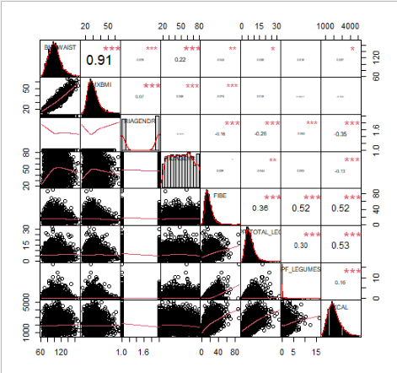
Covariates shoud not be highly correlated with each other.
This will also help in reducing the number of covariates.
The highest correlation is between
KCAL and PF_TOTAL_LEG, R=0.53, followed by
FIBE and PF_LEGUMES, and
FIBE and KCAL. both R=0.52.
Want to keep KCAL...
Removing FIBE and PF_TOTAL_LEG will solve all the problems.
So, without FIBE and PF_TOTAL_LEG , let's look at the correlation again.

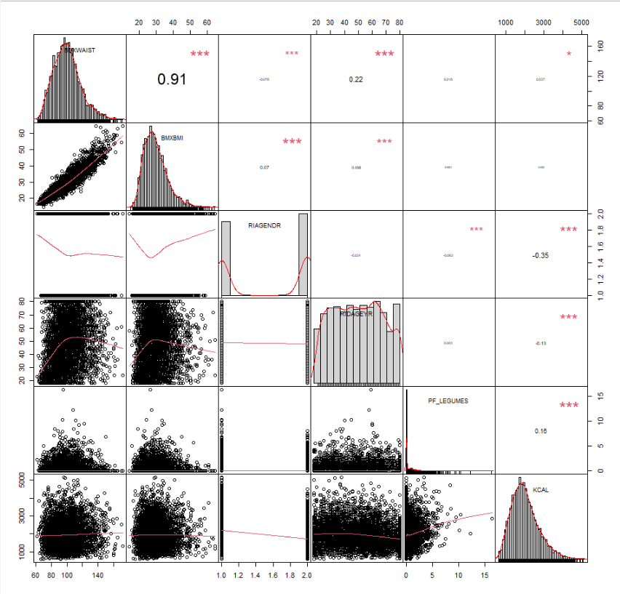
Age and Gender are OK.
PF_LEGUMES and KCAL are statistically correlated, but R=0.16 is low and it is hard to see they are correlated from the scatterplot.

